Sheet1
 |  | Document No. | Issue No. | Issue Date |  | Review and Replace Date | Authorised By
 |  | GFF | 1 | New Issue
 |  | Document Title | Gc- 10 Vegetable Samosa | Jumbo | 1400G -High Risk
 |  |  |  |  |  |  | Magda Shah
Document amendments reason for change |  | New Issue | Page 1 of 1 |  | Previous Issue Date |  | Uncontrolled copy unless signed original

CVSAJ-B10T | Gazebo (BULK-SNACKS) |  | Gc- 10 Vegetable Samosa | Jumbo | 1400G X 1
STEP 1 |  |  |  |  | STEP 2
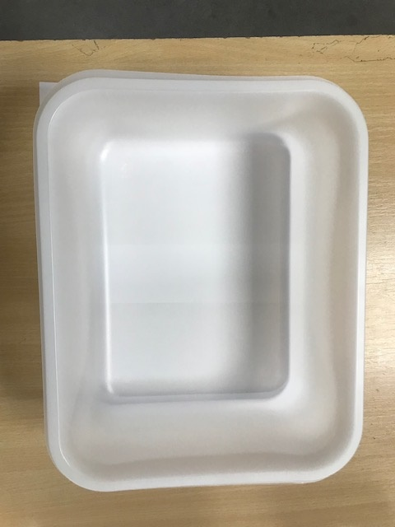

Tray:HW320/115 - Translucent - 554 (PKPRO001-13) |  |  |  |  | Vegetable Samosa XL (Jumbo) 140G(GFF039R): 10 Pieces (1400g)
Film: S340AF(PE)340mm X 510m AF Weld PE (PKPRO001-17)
STEP 3
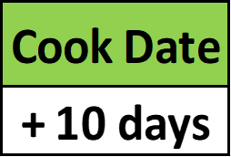 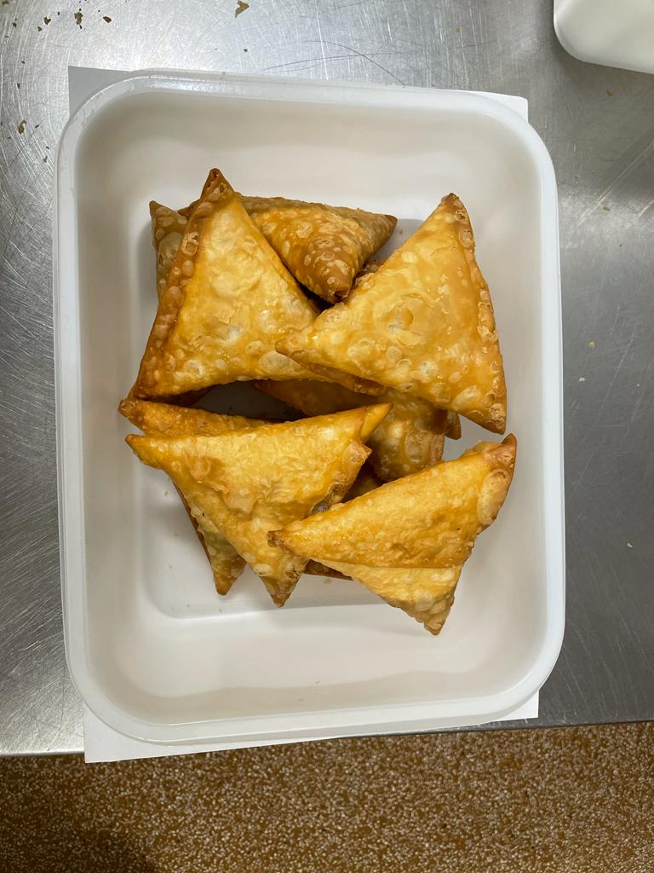

+ 18 Days

TOTAL WEIGHT: 1400g

ALLERGY ALERT: Wheat

